RT2 Checklist
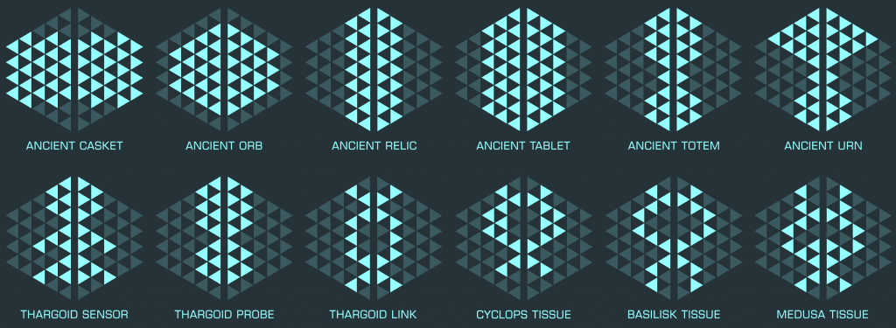
# | Thargoid Log's |  |  |  | # | Technology Log's |  |  |  | # | Language Log
1 | Sensor | + | Cyclops | FALSE | 11 | Orb | + | Relic | FALSE | 24 | Tablet | + | Totem | FALSE
2 | Sensor | + | Basilisk | FALSE | 12 | Orb | + | Orb | FALSE
3 | Sensor | + | Link | FALSE | 13 | Orb | + | Casket | FALSE | # | Body Protectorate Log's
4 | Sensor | + | Probe | FALSE | 14 | Relic | + | Totem | FALSE | 25 | Urn | + | Orb | FALSE
5 | Sensor | + | Medusa | FALSE | 15 | Relic | + | Casket | FALSE | 26 | Urn | + | Totem | FALSE
 |  |  |  |  | 16 | Relic | + | Urn | FALSE | 27 | Urn | + | Tablet | FALSE
# | Civil War Log's |  |  |  | 17 | Relic | + | Tablet | FALSE | 28 | Urn | + | Casket | FALSE
6 | Casket | + | Orb | FALSE | 18 | Orb | + | Totem | FALSE
7 | Casket | + | Tablet | FALSE | 19 | Orb | + | Casket | FALSE | 0
8 | Casket | + | Totem | FALSE | 20 | Relic | + | Orb | FALSE | 0
9 | Casket | + | Relic | FALSE | 21 | Orb | + | Urn | FALSE | 0
10 | Casket | + | Urn | FALSE | 22 | Orb | + | Tablet | FALSE | 0
 |  |  |  |  | 23 | Orb | + | Relic | FALSE | 0
 |  |  |  |  |  |  |  |  |  |  | Total |  | 0

